Sheet1
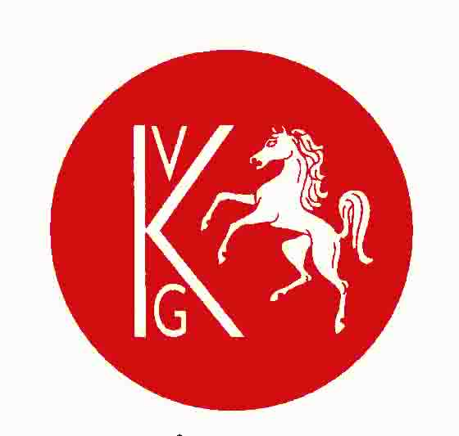
AKVG
 |  | Emerton-Court Trophy
 |  | Faversham GC |  |  | V3
 |  | Wednesday 19th August |  |  |  | RED = BUGGY
 | DRAW AND ORDER OF PLAY-SHOTGUN START-10.00 |  |  |  |  | Green Diets

TEE |  |  | TEE

1st A | Trevor Williams | WEST MALLING | 10th | Brian Birch |  | LITTLESTONE
 | Steve Arndt | WEST MALLING |  | Charles Brown |  | LITTLESTONE
 | Terry Wright | ETCHINGHILL |  | Mark Talbot |  | BIRCHWOOD PARK
 | Lyn Williams | ETCHINGHILL |  | Mark Blenkarne |  | BIRCHWOOD PARK

1st B | Carlo Nuvoletta | CANTERBURY | 11th | Irene Aherne |  | SENE VALLEY
 | Peter Cheney | CANTERBURY |  | Linda Dicks |  | SENE VALLEY
 | Gill Oike | POULT WOOD |  | Steve Cooper |  | HEVER
 | Margaret Barnes | POULT WOOD |  | Iain Parkhouse |  | HEVER

2nd | Julian Hope | LITTLESTONE WARREN | 12th A | Graham Harrison |  | THE RIDGE
 | John Styant | LITTLESTONE WARREN |  | Paul Latham |  | THE RIDGE
 | Dave West | MARRIOTT TUDOR PARK |  | Chris Bulman |  | WROTHAM HEATH
 | Steve Phillips | MARRIOTT TUDOR PARK |  | Keith Copeland |  | WROTHAM HEATH

3rd | Hilary Brown | PRINCES | 12th B | Martin Izzard |  | CHESTFIELD
 | Lesley Walter | PRINCES |  | Keith Holness |  | CHESTFIELD
 | Ian Dickson | REDLIBBETS |  | Doug Mason |  | CHERRY LODGE
 | Trenton Bridge | REDLIBBETS |  | Matthew Hewett |  | CHERRY LODGE

4th | John Brown | CHESTFIELD | 13th | David Froude |  | ETCHINGHILL
 | Mick Dunlop | CHESTFIELD |  | Bob Musson |  | ETCHINGHILL
 | Ken Avery | BIRCHWOOD PARK |  | Jim Chandler |  | WESTERHAM
 | Keith Jarvis | BIRCHWOOD PARK |  | Steve Eales |  | WESTERHAM

5th A | Alex Diebel | TENTERDEN | 14th | Malcolm Steatham |  | ETCHINGHILL
 | Cliff Cocheran | TENTERDEN |  | Kevin Timmis |  | ETCHINGHILL
 | Ken Ramsammy | HEVER |  | Peter Kelham |  | WROTHAM HEATH
 | Steve Carr | HEVER |  | Martyn Holdsworth |  | WROTHAM HEATH

5th B | David Morris | THE RIDGE | 15th A | Nick Brabyn |  | MARRIOTT TUDOR PARK
 | Gavin Wilding | THE RIDGE |  | Andy Bell |  | MARRIOTT TUDOR PARK
 | Geoffrey Dolan | SUNDRIDGE PARK |  | Bob Upchurch |  | BIRCHWOOD PARK
 | Jon Porter | SUNDRIDGE PARK |  | Mick Murphy |  | BIRCHWOOD PARK

6th | John Jones | CHESTFIELD | 15th B | Deryck Homes |  | CHISLEHURST
 | Peter Welch | CHESTFIELD |  | Peter Russell |  | CHISLEHURST
 | Peter White | CHERRY LODGE |  | Paul Marchant |  | HIGH ELMS
 | Ben Jasper | CHERRY LODGE |  | Andy Brzozovski |  | HIGH ELMS

7th A | Nigel Tubman | LITTLESTONE | 16th | Nigel Mayes |  | LITTLESTONE WARREN
 | Monty Carley | LITTLESTONE |  | Colin Button |  | LITTLESTONE WARREN
 | Chris Ponton | LULLINGSTONE |  | Chris Jeffrey |  | HEVER
 | Mike Kelly | LULLINGSTONE |  | Paul Endicott |  | HEVER

7th B | Jerry Field | MARRIOTT TUDOR PARK | 17th | Bob White |  | MARRIOTT TUDOR PARK
 | Bill Danaher | MARRIOTT TUDOR PARK |  | Jeff Root |  | MARRIOTT TUDOR PARK
 | Colin Tait | HIGH ELMS |  | Nigel Courtney |  | WESTERHAM
 | Alastair McGregor | HIGH ELMS |  | Nigel Halliwell |  | WESTERHAM

8th | Steve Jones | CHISLEHURST | 18th A | Allen Cornell |  | CORINTHIAN
 | Mark Raine | CHISLEHURST |  | Melvyn Williard |  | CORINTHIAN
 | John Marshall | WEST MALLING |  | Patrick Ferguson |  | POULT WOOD
 | Trevor Carter | WEST MALLING |  | John Bravery |  | POULT WOOD

9th | Martin Lucas | MARRIOTT TUDOR PARK | 18th B | Jim Johnson |  | SIDCUP
 | Peter Eldridge | MARRIOTT TUDOR PARK |  | Helen Johnson |  | SIDCUP
 | Brian Avery | CHERRY LODGE |  | John Alford |  | WEST MALLING
 | Ricardo Smithson | CHERRY LODGE |  | Tony Jackson |  | WEST MALLING

